Indices

 | Iraq Stock Exchange
 | Bulletin No (100)
 | ISX Trading Indices of Wednesday 10/6/2026

 | Traded Volume and OTC |  | 917,734,234 |  | Traded Value and OTC |  | 1,200,901,434 |  | Traders | 1618

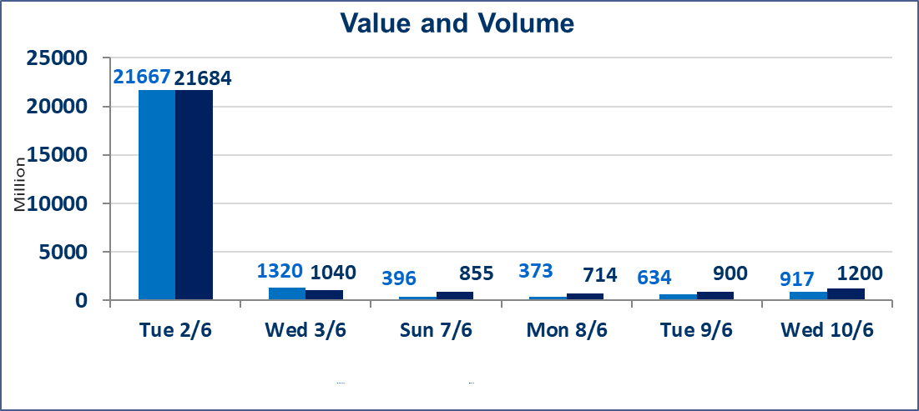
 | ISX Index 60 |  |  | 946.97 | ISX Index 15 |  |  | 1226.27
 | Previous ISX Index60 |  |  | 945.45 | Previous ISX Index15 |  |  | 1221.03
 | Change % |  |  | 0.16 | Change % |  |  | 0.43
 | Change |  |  | 1.52 | Change |  |  | 5.24

 | Listed Companies | 103 | OTC | 14 | Non Traded listed | 38 | OTC | 12
 | Traded Listed Companies | 44 | OTC | 1 | Higher Companies |  |  | 12
 | GAM Companies |  |  | 10 | Lower Companies |  |  | 15
 | Suspended Companies |  |  | 11 | GAM Companies OTC |  |  | 1
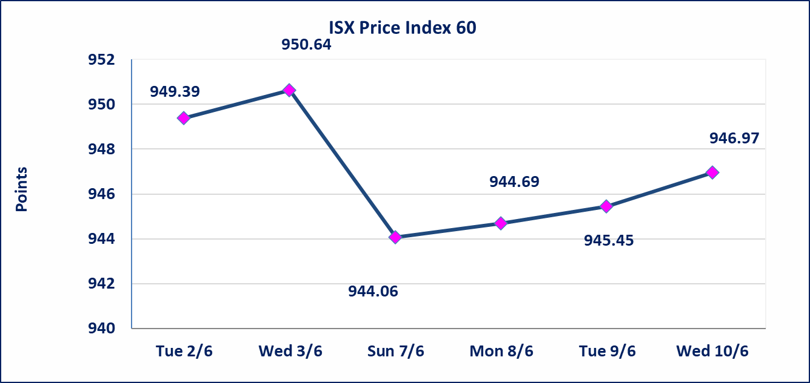
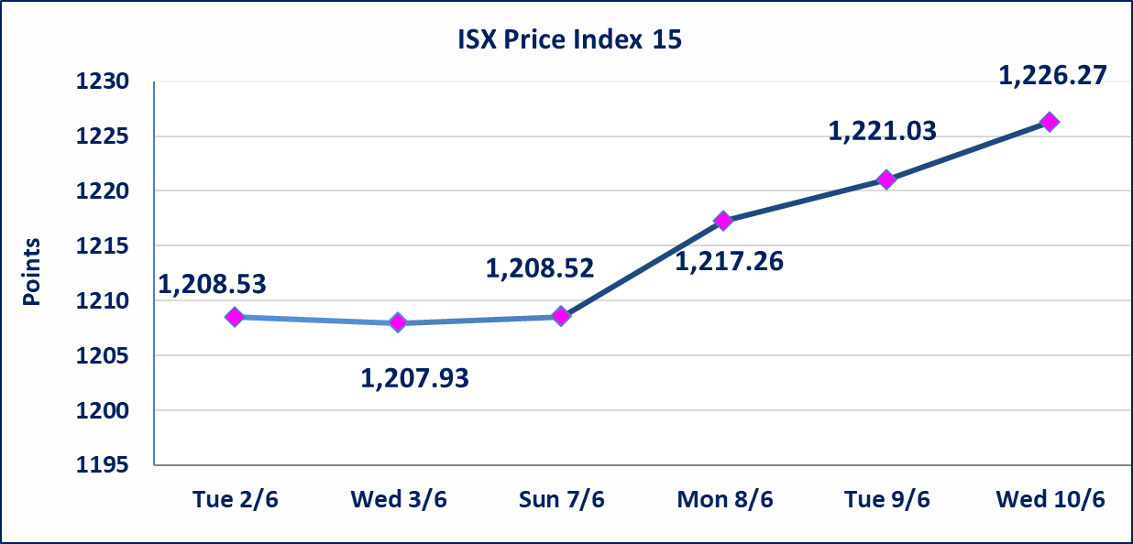

Al-Alwiya P.O . 3607 Mobile: 07711211522 - 07270094594 - 07834000034 E-mail: info-isx@isx-iq.net Web site:www.isx-iq.net

Top 5
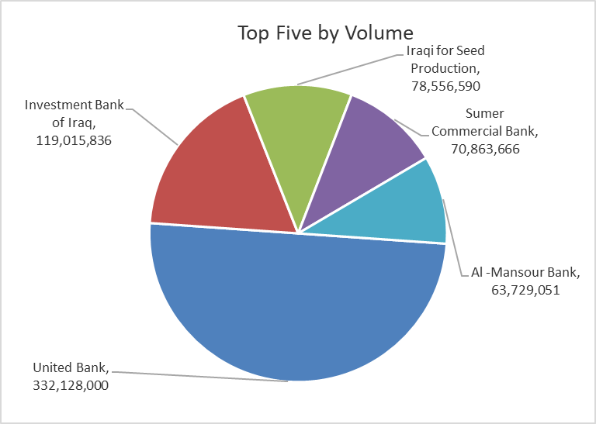
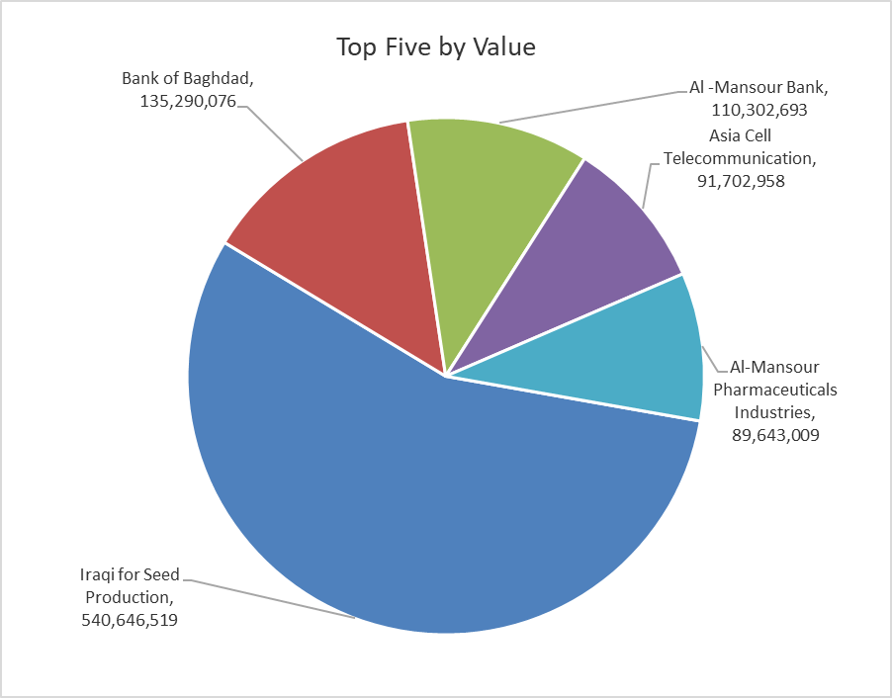

ISX top ganing and losing companies
Wednesday 10/6/2026
 | Gainers |  |  |  | Losers
 | Company Name | Closing Price | Change (%) | Traded Volume | Company Name | Closing Price | Change (%) | Traded Volume
 | Al-Taif Islamic Bank | 0.710 | 20.34 | 786,260 | Al-Hamraa for Insurance | 4.950 | -8.33 | 1,552
 | Baghdad Hotel | 14.500 | 13.28 | 146,436 | Mosul Bank For Investment | 0.130 | -7.14 | 2,650,000
 | General Transportation | 1.500 | 7.14 | 25,730 | National Chemical &Plastic | 1.800 | -5.76 | 2,029,021
 | Agricultural Products Meat | 4.700 | 4.44 | 66,343 | Sumer Commercial Bank | 0.190 | -5.00 | 70,863,666
 | Mamoura Realestate | 3.350 | 4.04 | 9,683,274 | Ashur International Bank | 0.250 | -3.85 | 15,456,736
 | The most active companies in term of traded volume and value

 | Traded Volume |  |  |  | Traded Value
 | Company Name | Closing Price | Change (%) | Traded Volume | Company Name | Closing Price | Change (%) | Traded Value
 | United Bank | 0.050 | 0.00 | 332,128,000 | Iraqi for Seed Production | 6.840 | 3.01 | 540,646,519
 | Investment Bank of Iraq | 0.250 | 0.00 | 119,015,836 | Bank of Baghdad | 2.600 | -0.76 | 135,290,076
 | Iraqi for Seed Production | 6.840 | 3.01 | 78,556,590 | Al -Mansour Bank | 1.730 | -0.57 | 110,302,693
 | Sumer Commercial Bank | 0.190 | -5.00 | 70,863,666 | Asia Cell Telecommunication | 16.350 | 0.06 | 91,702,958
 | Al -Mansour Bank | 1.730 | -0.57 | 63,729,051 | Al-Mansour Pharmaceuticals Industries | 2.500 | 2.04 | 89,643,009

Non Iraqis

Iraq Stock Exchange
Non Iraqis' Bulletin Wednesday Jun 10 2026
Regular Market

Non Iraqi Trading of Regular Market (Sell)
Company Names | Code | No.of trades | Traded Shares | Trading Volume
Banks Sector
National Bank Of Iraq | BNOI | 3 | 249,452 | 997,808
Total Bank sector |  | 3 | 249,452 | 997,808
Grand Total |  | 3 | 249,452 | 997,808

Not Trading Bonds

Iraq Stock Exchange
Wednesday 10/6/2026
Not Trading Bonds Bulletin
Bond type | Publish type | Code | last trading price | immortilize date
Banaa Bonds /Million ID | Second | CB20 | 964,981 | 19/12/2025
Eamar Bonds /Million ID | First | CB30 | 1,001,095 | ــــــــــــــــ
Eamar Bonds /Million ID | Second | CB40 | ــــــــــــــــ | ــــــــــــــــ
Eamar Bonds /500 Thousand ID | Third | CB45 | ــــــــــــــــ | ــــــــــــــــ
Eamar Bonds /Million ID | Third | CB50 | ــــــــــــــــ | ــــــــــــــــ
Injaz Bonds /500 Thousand ID | First | CB55 | ــــــــــــــــ | ــــــــــــــــ
Injaz Bonds /Million ID | First | CB60 | 951,110 | ــــــــــــــــ
Injaz Bonds /500 Thousand ID | Second | CB65 | 511,000
Injaz Bonds /Million ID | Second | CB70 | 965,050 | ــــــــــــــــ
Injaz Bonds /500 Thousand ID | Third | CB75 | ــــــــــــــــ | ــــــــــــــــ
Injaz Bonds /Million ID | Third | CB80 | 978,182 | ــــــــــــــــ
National Bonds/Million ID | First | CB90 | ــــــــــــــــ | ــــــــــــــــ
National Bonds/500 Thousand ID | Second | CB95 | ــــــــــــــــ | ــــــــــــــــ
National Bonds/Million ID | Second | CB100 | ــــــــــــــــ | ــــــــــــــــ

